Uncertainty
Uncertainty calculations |  | Confidence interval 90%
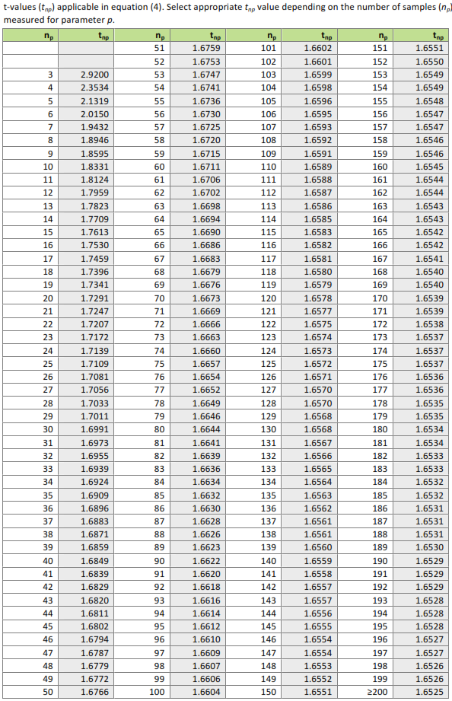
Soil erosion |  | Mean Soil erosion reduction | SD | SE | No. entries | t value | Total project area (ha)
 |  | 12.411 | 4.5614565531 | 0.14424592156 | 1000 | 1.6525 | 1084.70

 |  | Confidence limit | Project removals [t/ha a] | Total reduced soil erosion [t/a] | UNC | Accounted soil erosion reductions [t soil/a]
 |  | Up | 12.649366385
 |  | Low | 12.172633615
 |  | Mean | 12.411 | 13,462 | 2% | 13462

Soil available Water |  | Mean soil water retetntion | SD | SE | No. entries | t value | Total project area (ha)
 |  |  |  | #DIV/0! |  |  | 1084.7

 |  | Confidence limit | Project removals [m³/ha a] | Total project removals [m³/a] | UNC | Accounted soil water retention [m³ water/a]
 |  | Up | #DIV/0!
 |  | Low | #DIV/0!
 |  | Mean | 0 | - | #DIV/0! | #DIV/0!

Runoff reduction |  | Mean runoff reduction | SD | SE | No. entries | t value | Total project area (ha)
 |  |  |  | #DIV/0! |  |  | 1084.7

 |  | Confidence limit | Project removals [m³/ha a] | Total project removals [m³/ha a] | UNC | Accounted project runoff reduction [m³ water/a]
 |  | Up | #DIV/0!
 |  | Low | #DIV/0!
 |  | Mean | 0 | - | #DIV/0! | #DIV/0!

 | Info Box:
 | All white fields are input boxes, which have to be changed by the project applier

